Week 1 - Day 1
🏠 Home Assignment: Groq Account Setup 🚀

1️⃣ Open: https://console.groq.com

2️⃣ Click Sign Up
3️⃣ Complete the signup using Google / GitHub / Email
4️⃣ After logging in, go to the Models section and review the available models

Please complete this before the next session

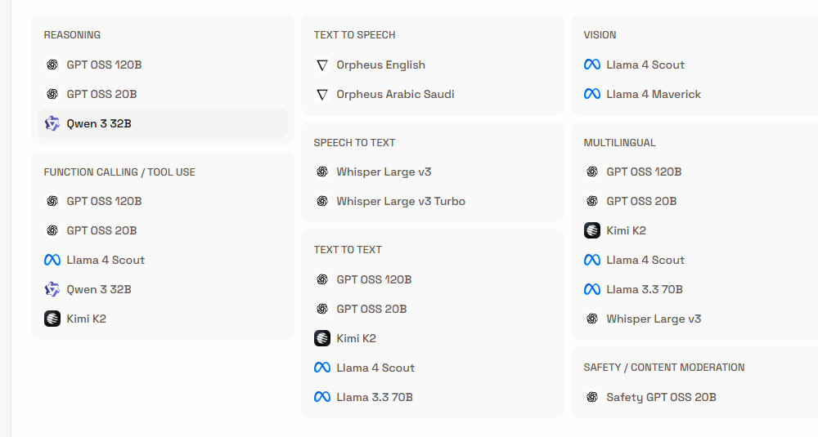

Details from chatgpt about Groq models

🔹 Platform Overview: Groq

Type: AI inference provider (not a model creator)

Specialty: High-speed, low-latency inference using custom LPU hardware

Use case: Real-time AI apps (chat, voice, agents, streaming responses)

Users: Exact platform user numbers are not publicly disclosed; used by enterprises, startups, and AI developers globally.

Groq hosts models from multiple providers (Meta, OpenAI, Alibaba, Moonshot AI, etc.).

🧠 REASONING / TEXT MODELS

1️⃣ GPT OSS 120B

Type: Large open-source GPT-style model (~120B parameters)

Use: Advanced reasoning, long-form content, enterprise chatbots

Importance: High accuracy comparable to premium LLMs at lower cost

Best for: Complex problem-solving, coding, document analysis

2️⃣ GPT OSS 20B

Type: Mid-sized GPT-style model (~20B parameters)

Use: Fast chat, summaries, lightweight agents

Importance: Balanced performance + speed

Best for: Production apps needing lower latency

3️⃣ Qwen 3 32B

Provider: Alibaba

Type: 32B parameter multilingual reasoning model

Strength: Strong math, coding, multilingual capability

Use cases: AI assistants, technical Q&A, global applications

Importance: Competitive open alternative to Western LLMs

4️⃣ Llama 4 Scout / Llama 4 Maverick

Provider: Meta

Type: Latest-generation Llama models

Scout: Optimized for efficiency and speed

Maverick: Larger, stronger reasoning version

Use cases: Chatbots, AI copilots, RAG systems

Importance: Strong open ecosystem support

5️⃣ Llama 3.3 70B

Provider: Meta

Type: 70B parameter high-performance LLM

Strength: Excellent reasoning and instruction following

Use: Enterprise-grade chat, coding assistants

Importance: One of the most widely adopted open LLM families

6️⃣ Kimi K2

Provider: Moonshot AI

Type: Advanced reasoning model

Strength: Long context window, strong logic tasks

Use: Research agents, complex document analysis

Importance: Rising competitor in high-context AI

🎙️ SPEECH MODELS

7️⃣ Whisper Large v3

Provider: OpenAI

Type: Speech-to-text (ASR)

Strength: Highly accurate multilingual transcription

Use: Voice apps, call center analytics, meeting transcripts

8️⃣ Whisper Large v3 Turbo

Provider: OpenAI

Type: Optimized faster variant

Use: Real-time voice transcription

Importance: Lower latency on Groq hardware

🔊 TEXT-TO-SPEECH (TTS)

9️⃣ Orpheus English / Orpheus Arabic Saudi

Type: Text-to-Speech models

Use: Voice assistants, AI narration, IVR systems

Strength: Natural-sounding speech

Importance: Enables full voice AI pipelines (LLM + TTS + ASR)

🛡️ SAFETY MODEL

🔟 Safety GPT OSS 20B

Type: Content moderation model

Use: Detect harmful, unsafe, policy-violating content

Importance: Essential for enterprise AI compliance

📊 Model Comparison Snapshot

Model Type | Best For | Speed | Cost Efficiency | Enterprise Ready
120B models | Deep reasoning | Medium | Medium | Yes
20B models | Fast chat | High | High | Yes
70B models | High-quality chat | Medium | Medium | Yes
Whisper | Speech-to-text | Very High (on Groq) | High | Yes
Orpheus | Text-to-speech | High | High | Yes

👥 Number of Users?

Exact per-model user counts are not publicly disclosed

Llama models are among the most widely deployed open models globally

Whisper is one of the most widely used open speech recognition systems

Groq is growing rapidly in AI developer adoption due to inference speed advantages

🚀 Why These Models Matter

1. Open ecosystem dominance

2. Enterprise deployment flexibility

3. Cost-efficient inference via Groq

4. Full AI stack support (Text + Voice + Safety)

5. Real-time AI applications enabled

